9X
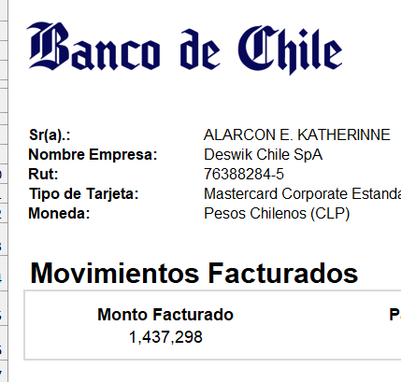
Account Code | Date | Source | Description | Reference | Debit | Credit
2114-09 | 2026-01-03 | Spend Money | Provision Expenses CC |  | - | 30,000 | -30,000
2114-09 | 2026-01-08 | Spend Money | Provision Expenses CC |  | - | 5,550 | -35,550
2114-09 | 2026-01-14 | Bank Transfer | Bank Transfer from Citibank - CLP to CC Katherinne Alarcon | KA´s credit crd payemnt | 596,065 | - | 560,515
2114-09 | 2026-01-14 | Spend Money | Provision Expenses CC |  | - | 327,800 | 232,715
2114-09 | 2026-01-14 | Spend Money | Banco De Chile |  | - | 5,314 | 227,401
2114-09 | 2026-01-20 | Spend Money | CC Expense | Pasaje a Belo | - | 369,034 | -141,633
2114-09 | 2026-01-20 | Spend Money | Provision Expenses CC |  | - | 9,774 | -151,407
2114-09 | 2026-01-20 | Spend Money | Provision Expenses CC |  | - | 13,400 | -164,807
2114-09 | 2026-01-20 | Spend Money | Provision Expenses CC |  | - | 14,795 | -179,602
2114-09 | 2026-01-20 | Spend Money | Provision Expenses CC |  | - | 5,550 | -185,152
2114-09 | 2026-01-20 | Spend Money | Provision Expenses CC |  | - | 8,011 | -193,163
2114-09 | 2026-01-21 | Spend Money | Provision Expenses CC |  | - | 15,477 | -208,640
2114-09 | 2026-01-21 | Spend Money | Provision Expenses CC |  | - | 13,833 | -222,473
2114-09 | 2026-01-22 | Receive Money | Provision Expenses CC |  | 14,795 | - | -207,678
2114-09 | 2026-01-23 | Spend Money | Provision Expenses CC |  | - | 10,078 | -217,756
2114-09 | 2026-01-28 | Spend Money | Banco De Chile |  | - | 402 | -218,158 | saldo inicial? | 1,200,297
2114-09 | 2026-01-28 | Spend Money | Banco De Chile |  | - | 3,971 | -222,129
2114-09 | 2026-01-28 | Spend Money | Banco De Chile |  | - | 14,872 | -237,001 |  |  | 1437298
2114-09 | 2026-02-01 | Spend Money | Provision Expenses CC |  | - | 63,329 | -300,330
2114-09 | 2026-02-12 | Bank Transfer | Bank Transfer from Citibank - CLP to CC Katherinne Alarcon | Tarj Créd Kathe Alarcon | 1,437,298 | - | 1,136,968
2114-09 | 2026-02-20 | Spend Money | Joiin Ltda | D30E2B660005 | - | 521,539 | 615,429
2114-09 | 2026-02-23 | Spend Money | Banco De Chile |  | - | 13,239 | 602,190
2114-09 | 2026-02-24 | Spend Money | Provision Expenses CC |  | - | 1,295,002 | -692,812
2114-09 | 2026-02-25 | Spend Money | Banco De Chile |  | - | 3,977 | -696,789 |  | 1200297
2114-09 | 2026-02-25 | Spend Money | Banco De Chile |  | - | 32,878 | -729,667 |  |  | 1929264
2114-09 | 2026-03-11 | Spend Money | Provision Expenses CC |  | - | 275,000 | -1,004,667
2114-09 | 2026-03-11 | Spend Money | Provision Expenses CC |  | - | 137,176 | -1,141,843
2114-09 | 2026-03-11 | Spend Money | Provision Expenses CC |  | - | 29,078 | -1,170,921
2114-09 | 2026-03-11 | Spend Money | Provision Expenses CC |  | - | 10,600 | -1,181,521
2114-09 | 2026-03-12 | Bank Transfer | Bank Transfer from Citibank - CLP to CC Katherinne Alarcon | KA´s credit card payemnt | 113,423 | - | -1,068,098
2114-09 | 2026-03-12 | Spend Money | Banco De Chile |  | - | 122,137 | -1,190,235
2114-09 | 2026-03-17 | Spend Money | Provision Expenses CC |  | - | 12,136 | -1,202,371
2114-09 | 2026-03-18 | Spend Money | Banco De Chile |  | - | 309 | -1,202,680
2114-09 | 2026-03-18 | Spend Money | Provision Expenses CC |  | - | 3,299 | -1,205,979
2114-09 | 2026-03-18 | Spend Money | Provision Expenses CC |  | - | 22,243 | -1,228,221
2114-09 | 2026-03-18 | Spend Money | Provision Expenses CC |  | - | 50,087 | -1,278,308
2114-09 | 2026-03-19 | Spend Money | Banco De Chile |  | - | 570 | -1,278,878
2114-09 | 2026-03-19 | Spend Money | Banco De Chile |  | - | 1,281 | -1,280,159
2114-09 | 2026-03-19 | Spend Money | Banco De Chile |  | - | 84 | -1,280,243
2114-09 | 2026-03-19 | Spend Money | Provision Expenses CC |  | - | 29,078 | -1,309,321
2114-09 | 2026-03-20 | Spend Money | Banco De Chile |  | - | 748 | -1,310,069
2114-09 | 2026-03-20 | Spend Money | Provision Expenses CC |  | - | 26,446 | -1,336,516
2114-09 | 2026-03-23 | Spend Money | Banco De Chile |  | - | 673 | -1,337,189
2114-09 | 2026-03-25 | Spend Money | Provision Expenses CC |  | - | 35,786 | -1,372,975
2114-09 | 2026-03-25 | Spend Money | Provision Expenses CC |  | - | 127,772 | -1,500,746
2114-09 | 2026-03-25 | Spend Money | Provision Expenses CC |  | - | 12,419 | -1,513,165
2114-09 | 2026-03-26 | Spend Money | Banco De Chile |  | - | 3,984 | -1,517,149
2114-09 | 2026-03-26 | Spend Money | Banco De Chile |  | - | 3,273 | -1,520,422
2114-09 | 2026-03-26 | Spend Money | Banco De Chile |  | - | 1,280 | -1,521,702
2114-09 | 2026-03-26 | Spend Money | Banco De Chile |  | - | 318 | -1,522,020 |  | 1200297
2114-09 | 2026-03-26 | Spend Money | Banco De Chile |  | - | 60,583 | -1,582,603 |  |  | 2782900

11X
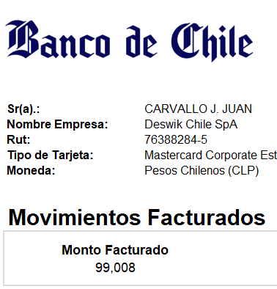
Account Code | Date | Source | Description | Reference | Debit | Credit
2114-11 | 2026-01-14 | Bank Transfer | Bank Transfer from Citibank - CLP to CC Sebastián Carvallo | SC´s credit card payment | 6,314 | - | 6,314
2114-11 | 2026-01-14 | Spend Money | Banco De Chile |  | - | 807 | 5,507
2114-11 | 2026-01-28 | Spend Money | Banco De Chile |  | - | 61 | 5,446
2114-11 | 2026-01-28 | Spend Money | Banco De Chile |  | - | 3,971 | 1,475
2114-11 | 2026-01-28 | Spend Money | Banco De Chile |  | - | 2,380 | -905 |  |  | 99008
2114-11 | 2026-02-12 | Bank Transfer | Bank Transfer from Citibank - CLP to CC Sebastián Carvallo | Tarj Créd Sebastian Carvallo | 99,008 | - | 98,103 | salñdo apertura? | 98103
2114-11 | 2026-02-16 | Spend Money | Provision Expenses CC |  | - | 33,979 | 64,124
2114-11 | 2026-02-16 | Spend Money | Provision Expenses CC |  | - | 21,838 | 42,287
2114-11 | 2026-02-18 | Spend Money | CC Expense |  | - | 558 | 41,729 |  | 98104
2114-11 | 2026-02-25 | Spend Money | Banco De Chile |  | - | 3,977 | 37,752 |  |  | 60352
2114-11 | 2026-03-01 | Spend Money | Provision Expenses CC |  | 33,979 | - | 71,731
2114-11 | 2026-03-01 | Spend Money | CC Expense | Almuerzo | - | 33,979 | 37,752
2114-11 | 2026-03-03 | Spend Money | CC Expense | Cena | - | 18,176 | 19,576
2114-11 | 2026-03-03 | Spend Money | CC Expense | Desayuno | - | 16,613 | 2,962
2114-11 | 2026-03-04 | Spend Money | CC Expense |  | - | 420 | 2,542
2114-11 | 2026-03-04 | Spend Money | CC Expense |  | - | 468 | 2,074
2114-11 | 2026-03-12 | Bank Transfer | Bank Transfer from Citibank - CLP to CC Sebastián Carvallo | SC´s credit card payemnt | 38,514 | - | 40,588
2114-11 | 2026-03-12 | Spend Money | Banco De Chile |  | - | 1,468 | 39,120
2114-11 | 2026-03-26 | Spend Money | Banco De Chile |  | - | 15 | 39,105
2114-11 | 2026-03-26 | Spend Money | Banco De Chile |  | - | 3,984 | 35,121 |  | 98104
2114-11 | 2026-03-26 | Spend Money | Banco De Chile |  | - | 707 | 34,414 |  |  | 63690

